Sheet1
Data Ingestion with Python

Overview of data scientists work
 | you'll find out that most of their time is spent on getting and cleaning data. That's why I think that data science should be written as DATAscience.

Data Science Process
 | Acquire data from various sources,
 |  | Determine what data is require d
 |  | go around the organization and figure out how to get it
 | clean this data,
 | train a model,
 | evaluate your model,
 | realize you need more high quality data and go back to step one.
 | At some point, your results will be good enough and you'll be able to ship,
 | however data changes over time, and you'll always need to train your algorithms on high quality and relevant data.

Dump versus Smart Algorithms
 | dumb algorithms will perform much better than smart ones, given enough data. This implies you'll want a lot of high quality data available to you

Source of Data
 | Databases
 | Log files
 | Structure files
 |  | data in formats like Parquet, or ORC, these files are usually hosted on a big drive, such as Amazon S3, Google Cloud Storage, or Azure Storage.
 | Services
 |  | Sometimes to get data, we need to call a service, or an AP
 |  | For example, if you have the IP of a user and would like to know where they are located in the world, you'll probably use a system like MaxMind
 | Computed
 |  | In some cases, you'll run a computation to get the data you require.
 |  | For example, when converting from feet and inches to meters and centimeters.

types of data
 | Records
 |  | Records, this data is usually found inside relational databases
 |  | They have well-defined columns and types.
 | Metrics/Matrix
 |  | They are usually a mix of numerical types, integers and floats.
 |  | You'll find such data in storage like HDF5 and others.
 | Graphs
 | Textual
 |  | user comments, Wiki pages and much more.
 |  | A lot of content on the Internet is text. You'll find this data everywhere, from plain text files on disk to columns in databases to specialized databases like Elasticsearch.
 | Others
 |  | Not everything fits in these categories. You should know what type of data you're working with and how best to extract it.

The data pipeline (ETL)
 | take the raw data, most times from server log files, one transformations on it, and edit to one or more databases.
 | Process
 |  | Covert Data
 |  | Validate Data
 |  | Enrich Data
 |  | Handle Missing Data
 |  | Provide clean Data

Data Lake
 | It is the final destination of data and from ETL.
 | It is normally one or more databases
 | Samples
 |  | Google's BigQuery and others, are relational databases
 |  | Some, like Spark, are computation platforms,

Working in CSV
 | Advantage
 |  | it can easily be exported or imported by Excel.
 | Disadvantages
 |  | keeIt does not keep the type (binary, numeric, flaot, ect) of the information, everything is a string.
 |  | There's no standard of specification.
 |  | it's hard to work with unicode data inside CSV's.
 |  | Data is not compressed
 | Python handling CSV
 |  | Ways of reading a CSV in python
 |  |  | 1) using the pythio's CSV model
 |  |  | 2) using pandas
 |  | The python's CSV model
 |  |  | The CSV model has two readers:
 |  |  |  | the nice thing about these two readers, that they consume at most one line, allowing us to process huge files without blowing up our computer memory
 |  |  |  | 1) one a reader,
 |  |  |  | 2) one a dictionary reader, when we have columns.
 |  |  |  |  | If we have a header row, we should use a dictionary reader
 |  |  | Example of Script using the CSV model and a dictionary reader
 |  |  |  | "Load & convert data from CSV file using Python built-in csv module" |  |  |  |  | VendorID | tpep_pickup_datetime | tpep_dropoff_datetime | passenger_count | trip_distance | RatecodeID | store_and_fwd_flag | PULocationID | DOLocationID | payment_type | fare_amount | extra | mta_tax | tip_amount | tolls_amount | improvement_surcharge | total_amount
 |  |  |  | import bz2 |  |  |  |  | 2 | 43404.299248 | 43405.280139 | 1 | 2.57 | 1 | N | 211 | 48 | 1 | 14.5 | 0.5 | 0.5 | 4.74 | 0 | 0.3 | 20.54
 |  |  |  | import csv |  |  |  |  | 2 | 43404.693345 | 43404.701505 | 5 | 3.58 | 1 | N | 237 | 144 | 2 | 12.5 | 0.5 | 0.5 | 0 | 0 | 0.3 | 13.8
 |  |  |  | # Since we have a header row we will use the dictionary reader |  |  |  |  | 2 | 43404.84978 | 43404.855405 | 1 | 2.39 | 1 | N | 163 | 107 | 1 | 9 | 0.5 | 0.5 | 1 | 0 | 0.3 | 11.3
 |  |  |  |  |  |  |  |  | 2 | 43404.9475 | 43404.950324 | 1 | 0.5 | 1 | N | 246 | 246 | 2 | 4.5 | 0.5 | 0.5 | 0 | 0 | 0.3 | 5.8
 |  |  |  | from collections import namedtuple |  |  |  |  | 2 | 43404.973819 | 43404.982986 | 1 | 1.81 | 1 | N | 79 | 90 | 1 | 10 | 0.5 | 0.5 | 2.26 | 0 | 0.3 | 13.56
 |  |  |  | from datetime import datetime |  |  |  |  | 2 | 43404.977535 | 43404.989271 | 1 | 7.91 | 1 | N | 87 | 236 | 2 | 23 | 0.5 | 0.5 | 0 | 0 | 0.3 | 24.3
 |  |  |  | Column = namedtuple('Column', 'src dest convert') |  |  |  |  | 2 | 43404.986748 | 43404.99088 | 1 | 2.24 | 1 | N | 162 | 263 | 1 | 8 | 0.5 | 0.5 | 2.32 | 0 | 0.3 | 11.62
 |  |  |  |  |  |  |  |  | 2 | 43404.990197 | 43404.997731 | 1 | 2.31 | 1 | N | 48 | 234 | 2 | 10 | 0.5 | 0.5 | 0 | 0 | 0.3 | 11.3
 |  |  |  | def parse_timestamp(text): |  |  |  |  | 2 | 43404.990764 | 43404.995069 | 1 | 0.68 | 1 | N | 163 | 48 | 2 | 5.5 | 0.5 | 0.5 | 0 | 0 | 0.3 | 6.8
 |  |  |  | return datetime.strptime(text, '%Y-%m-%d %H:%M:%S') |  |  |  |  | 2 | 43404.991319 | 43405.007326 | 1 | 1.65 | 1 | N | 249 | 137 | 1 | 14.5 | 0.5 | 0.5 | 2 | 0 | 0.3 | 17.8
 |  |  |  |  |  |  |  |  | 2 | 43404.991505 | 43405.007731 | 1 | 3.32 | 1 | N | 79 | 255 | 2 | 17.5 | 0.5 | 0.5 | 0 | 0 | 0.3 | 18.8
 |  |  |  | columns = [ |  |  | # columns is an array of turples |  | 2 | 43404.995069 | 43405.000405 | 2 | 1.46 | 1 | N | 249 | 231 | 2 | 7.5 | 0.5 | 0.5 | 0 | 0 | 0.3 | 8.8
 |  |  |  | # convert text fields to the right data type |  |  |  |  | 2 | 43404.997512 | 43404.999039 | 1 | 0.58 | 1 | N | 186 | 230 | 2 | 4 | 0.5 | 0.5 | 0 | 0 | 0.3 | 5.3
 |  |  |  | Column('VendorID', 'vendor_id', int), |  |  | # a turple |  | 2 | 43404.997604 | 43405.0139 | 1 | 2.23 | 1 | N | 113 | 162 | 1 | 15.5 | 0.5 | 0.5 | 3.36 | 0 | 0.3 | 20.16
 |  |  |  | Column('passenger_count', 'num_passengers', int), |  |  |  |  | 2 | 43404.997789 | 43405.007292 | 1 | 2.34 | 1 | N | 186 | 162 | 1 | 11 | 0.5 | 0.5 | 0 | 0 | 0.3 | 12.3
 |  |  |  | Column('tip_amount', 'tip', float), |  |  |  |  | 2 | 43404.998032 | 43405.005162 | 1 | 4.6 | 1 | N | 261 | 137 | 1 | 14.5 | 0.5 | 0.5 | 3.16 | 0 | 0.3 | 18.96
 |  |  |  | Column('total_amount', 'price', float),
 |  |  |  | Column('tpep_dropoff_datetime', 'dropoff_time', parse_timestamp),
 |  |  |  | Column('tpep_pickup_datetime', 'pickup_time', parse_timestamp),
 |  |  |  | Column('trip_distance', 'distance', float),
 |  |  |  | ]

 |  |  |  | def iter_records(file_name):
 |  |  |  | with bz2.open(file_name, 'rt') as fp: |  |  | # opens the compressed csv file
 |  |  |  | reader = csv.DictReader(fp) |  |  | # creates a dictionary for every record and stores it on reader
 |  |  |  | for csv_record in reader: |  |  | # takes a rows from the csv file and store it on cvs_record
 |  |  |  | record = {} |  |  | # creates a blank dictionary named record
 |  |  |  | for col in columns:
 |  |  |  | value = csv_record[col.src] |  |  | # joins col and csv_records. In other words, for each column in "columns' array" get the value from csv_record
 |  |  |  | record[col.dest] = col.convert(value) |  |  | # converts the value
 |  |  |  | yield record |  |  | # yield is a keyword that is used like return, except the function will return a generator.

 |  |  |  | def example():
 |  |  |  | from pprint import pprint
 |  |  |  | for i, record in enumerate(iter_records('taxi.csv.bz2')):
 |  |  |  | if i >= 10:
 |  |  |  | break
 |  |  |  | pprint(record)

 |  |  |  | example()
 |  | Pandas
 |  |  | Using pandas on the python console
 |  |  |  | >>> import pandas as pd
 |  |  |  | >>> df = pd.read_csv('taxi.csv.bz2')
 |  |  |  | >>> df.dtypes |  |  |  | # This shows what datatypes is panda assigning to the columns on the CSV
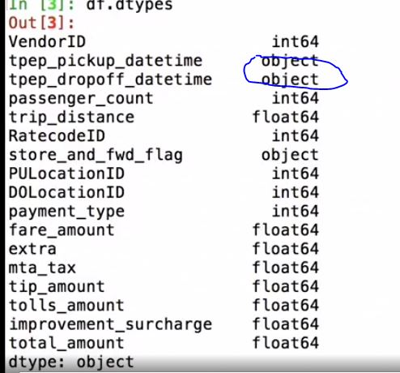

 |  |  |  |  |  |  |  | # we see that pandas incorrectly set tpep_pickup_datetime as objects (strings)
 |  |  |  |  |  |  |  | # however, they should be datetime datatypes

 |  |  |  | time_cols = ['tpep_dropoff_datetime', 'tpep_pickup_datetime']
 |  |  |  | df = pd.read_csv( 'taxi.csv.bz2', parse_dates=time_cols) |  |  |  | # we tell panda to import the columns in time_cols as datetime datatype
 |  |  |  | >>> df.dtypes |  |  |  | # now the dtypes should show as datetime
 |  |  |  | df = pd.read_csv( 'taxi.csv.bz2', parse_dates=time_cols, chunksize=100) |  |  |  | # With CSV, we load the whole file to memory. In cases when the file is too big, we can use the chunk size parameter. So, we can tell it also that we want chunksize equal a thousand
 |  |  | Example of Script using pandas
 |  |  |  | "Load & converting data from CSV using Pandas"
 |  |  |  | import pandas as pd
 |  |  |  | time_cols = ['tpep_dropoff_datetime', 'tpep_pickup_datetime']

 |  |  |  | def load_df(file_name):
 |  |  |  | return pd.read_csv('taxi.csv.bz2', parse_dates=time_cols) |  |  |  | # opens the compressed CSV.

 |  |  |  | print(load_df('taxi.csv.bz2').head())

 |  |  |  | def iter_df(file_name):
 |  |  |  | yield from pd.read_csv( 'taxi.csv.bz2', parse_dates=time_cols, chunksize=100)

 |  |  |  | for i, df in enumerate(iter_df('taxi.csv.bz2')):
 |  |  |  | if i > 10:
 |  |  |  | break
 |  |  |  | print(len(df))

Working with XML
 | Python handling CSV
 |  | Ways of reading a CSV in python
 |  |  | 1) loading everything into memory, called DOM, Document Object Model
 |  |  | 2) iterative, called SAX, which stands for Simple API for XML
 |  | Libraries for XML
 |  |  | 1) built-in ElementTree
 |  |  | 2) third-party lxml

 |  |  | Sample Script using the built-in ELementTree module
 |  |  |  | "Load rides data from XML"
 |  |  |  | import bz2
 |  |  |  | import xml.etree.ElementTree as xml |  |  | # using the ElementTree module
 |  |  |  | import pandas as pd

 |  |  |  | # Data conversions |  |  | # defines the convertion
 |  |  |  | conversion = [
 |  |  |  | ('vendor', int),
 |  |  |  | ('people', int),
 |  |  |  | ('tip', float),
 |  |  |  | ('price', float),
 |  |  |  | ('pickup', pd.to_datetime),
 |  |  |  | ('dropoff', pd.to_datetime),
 |  |  |  | ('distance', float),
 |  |  |  | ]

 |  |  |  | def iter_rides(file_name):
 |  |  |  | with bz2.open(file_name, 'rt') as fp:
 |  |  |  | tree = xml.parse(fp) |  |  | # loads the file and parses it
 |  |  |  | rides = tree.getroot() |  |  | # we get the root of the tree, and go for every element, we take the type, find the right converter, and convert it
 |  |  |  | for elem in rides:
 |  |  |  | record = {}
 |  |  |  | for tag, func in conversion:
 |  |  |  | text = elem.find(tag).text
 |  |  |  | record[tag] = func(text)
 |  |  |  | yield record |  |  | # we're using yield to yield just one record at a time

 |  |  |  | def load_xml(file_name):
 |  |  |  | records = iter_rides(file_name) |  |  | # We use our function to generate the records.
 |  |  |  | return pd.DataFrame.from_records(records) |  |  | # we use panda's DataFrame.from_records to create a data frame.

 |  |  |  | # Example
 |  |  |  | if __name__ == '__main__': |  |  | # We load the taxi, we print the types, and we print the head of the CSV
 |  |  |  | df = load_xml('taxi.xml.bz2')
 |  |  |  | print(df.dtypes)
 |  |  |  | print(df.head())
Working with Parquet, Avro, and ORC
 | Parquet, Avro, and ORC are file formats used by some big-data systems, such as Hadoop, Hive, and others

 |  | 1) Find the library for this file format and load it a table
 |  | 2) convert the table into a Pandas data frame
 |  | 3) Check Pandas d types to ensure that datatypes are correct
Working with unstructured text
 | The usual tool for these situations are regular expressions (regex)
 | Use pythex.org to construct your regexs
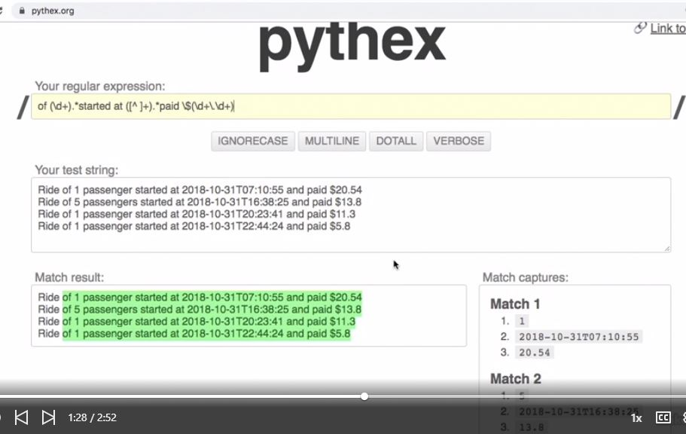

 | Sample Script
 |  | "Convert unstructured ride text to JSON"
 |  | import bz2
 |  | import logging
 |  | import re
 |  | from datetime import datetime

 |  | def parse_line(line):
 |  | # Example:
 |  | # Ride of 1 passenger started at 2018-10-31T07:10:55 and paid $20.54
 |  | match = re.search(
 |  | r'(\d+) pass.*started at ([^ ]+).*paid \$(\d+\.\d+)', line)
 |  | if not match:
 |  | return None
 |  | return {
 |  | 'count': int(match.group(1)),
 |  | 'start': datetime.fromisoformat(match.group(2)),
 |  | 'amount': float(match.group(3)),
 |  | }

 |  | def iter_rides(file_name):
 |  | with bz2.open(file_name, 'rt') as fp:
 |  | for lnum, line in enumerate(fp, 1):
 |  | record = parse_line(line)
 |  | if not record:
 |  | logging.warning('%s: cannot parse line', lnum)
 |  | continue
 |  | yield record

 |  | # Example
 |  | if __name__ == '__main__':
 |  | from pprint import pprint
 |  | for n, ride in enumerate(iter_rides('taxi.log.bz2')):
 |  | if n > 5:
 |  | break
 |  | pprint(ride)
Working with JSON
 | Sample Script
 |  | "Calculate average ride duration, from file with JSON object per line" |  |  |  |  |  |  | {"vendor":2,"pickup":"2018-10-31T07:10:55.000Z","dropoff":"2018-11-01T06:43:24.000Z","distance":2.57,"tip":4.74,"total":20.54}
 |  | import json |  |  |  |  |  |  | {"vendor":2,"pickup":"2018-10-31T16:38:25.000Z","dropoff":"2018-10-31T16:50:10.000Z","distance":3.58,"tip":0.0,"total":13.8}
 |  | from datetime import datetime, timedelta |  |  |  |  |  |  | {"vendor":2,"pickup":"2018-10-31T20:23:41.000Z","dropoff":"2018-10-31T20:31:47.000Z","distance":2.39,"tip":1.0,"total":11.3}
 |  |  |  |  |  |  |  |  | {"vendor":2,"pickup":"2018-10-31T22:44:24.000Z","dropoff":"2018-10-31T22:48:28.000Z","distance":0.5,"tip":0.0,"total":5.8}
 |  | def parse_time(ts): |  |  |  | # parses and return timestamp as datetime |  |  | {"vendor":2,"pickup":"2018-10-31T23:22:18.000Z","dropoff":"2018-10-31T23:35:30.000Z","distance":1.81,"tip":2.26,"total":13.56}
 |  | """ |  |  |  |  |  |  | {"vendor":2,"pickup":"2018-10-31T23:27:39.000Z","dropoff":"2018-10-31T23:44:33.000Z","distance":7.91,"tip":0.0,"total":24.3}
 |  | >>> parse_time('2018-10-31T07:10:55.000Z') |  |  |  |  |  |  | {"vendor":2,"pickup":"2018-10-31T23:40:55.000Z","dropoff":"2018-10-31T23:46:52.000Z","distance":2.24,"tip":2.32,"total":11.62}
 |  | datetime.datetime(2018, 10, 31, 7, 10, 55) |  |  |  |  |  |  | {"vendor":2,"pickup":"2018-10-31T23:45:53.000Z","dropoff":"2018-10-31T23:56:44.000Z","distance":2.31,"tip":0.0,"total":11.3}
 |  | """ |  |  |  |  |  |  | {"vendor":2,"pickup":"2018-10-31T23:46:42.000Z","dropoff":"2018-10-31T23:52:54.000Z","distance":0.68,"tip":0.0,"total":6.8}
 |  | # [:-1] trims Z suffix |  |  |  |  |  |  | {"vendor":2,"pickup":"2018-10-31T23:47:30.000Z","dropoff":"2018-11-01T00:10:33.000Z","distance":1.65,"tip":2.0,"total":17.8}
 |  | return datetime.fromisoformat(ts[:-1]) |  |  |  | # We get a timestamp, we trim the Z suffix and then we use the from ISO format to convert it to a datetime object.

 |  | def fix_pair(pair): |  |  |  | # It gets key and value as a tuple of two
 |  | key, value = pair |  |  |  | # unpack the key and value from the turple
 |  | if key not in ('pickup', 'dropoff'):
 |  | return pair |  |  |  | # then if they're not in pick up or drop off, we just return the original pair
 |  | return key, parse_time(value) |  |  |  | # otherwise we return the key, and parsing the time from the value,

 |  | def pairs_hook(pairs): |  |  |  | # the pairs hook is the hook that is going to be called by the JSON model
 |  | return dict(fix_pair(pair) for pair in pairs) |  |  |  | # it returns a dictionary of fixed pairs.

 |  | durations = [] |  |  |  | # we create the initial list of durations
 |  | with open('taxi.jl') as fp: |  |  |  | # we open the file, and go for every line
 |  | for line in fp:
 |  | obj = json.loads(line, object_pairs_hook=pairs_hook) |  |  |  | # we say, we load as the line, and we said that the object pairs hook is the pairs hook, and then the duration is the drop off minus the pick up, and we append the duration.
 |  | duration = obj['dropoff'] - obj['pickup']
 |  | durations.append(duration)
 |  | avg_duration = sum(durations, timedelta()) / len(durations) |  |  |  | # we just calculate the average duration
 |  | print(f'average ride duration: {avg_duration}')

